Citation
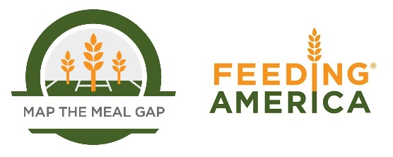

When using this data, please cite as follows:
Gundersen, C., M. Hake, A. Dewey, E. Engelhard (2020). The Impact of the Coronavirus on Food Insecurity in 2020, Update October 2020 [Data file and FAQ]. Available from Feeding America: research@feedingamerica.org.

